Sheet1
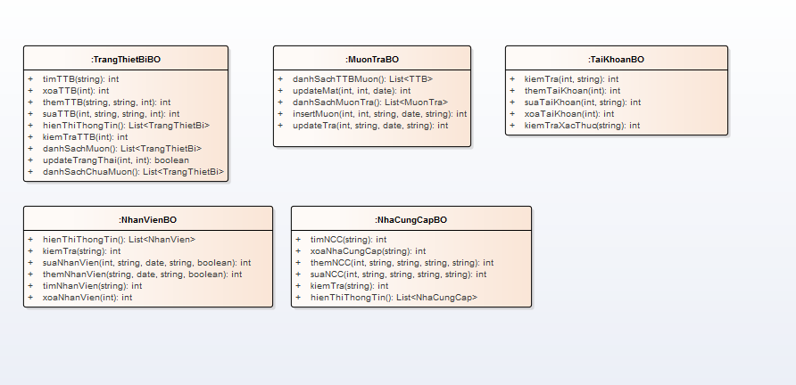
 | KH_HUE_T01_ClassDiagram_v3.0

ENITY ClassDiagram_v3.0

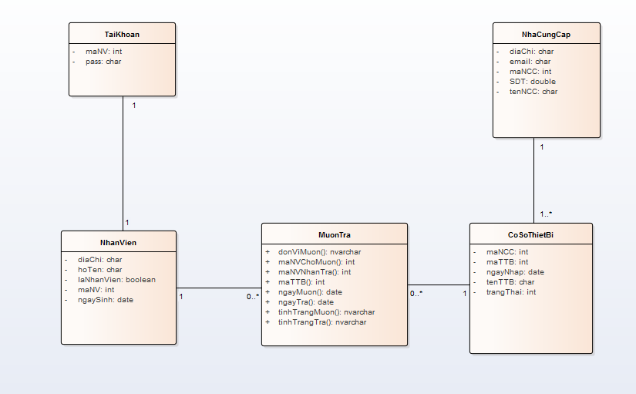

DAO ClassDiagram_v3.0

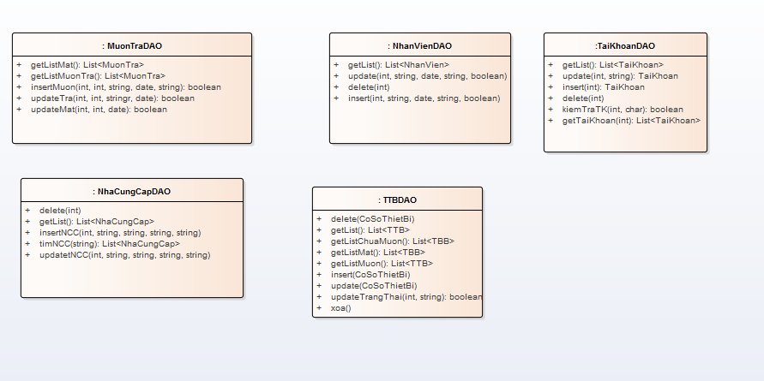

UI CLassDiagram_v3.0

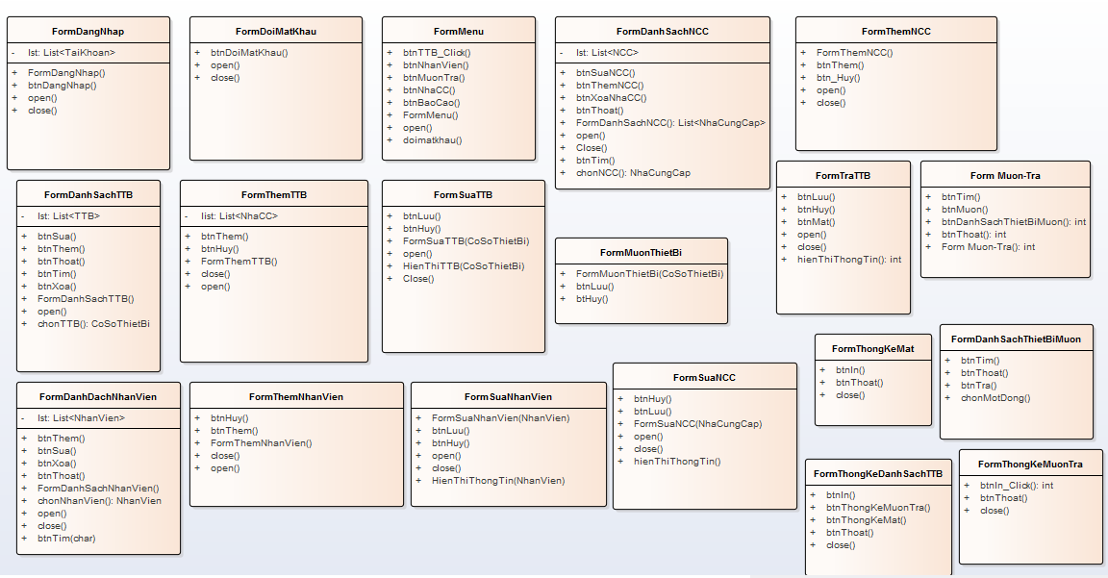

BO CLassDiagram_v3.0

